3. Resource Consistency
TASMU Central Platform Resource Consistency Blueprint
Define the resource. Parent Workload is combination of multiple Azure Resources to provide a service. Azure Resources can be directly related to this workload or act as infra function
ID | Resource | Function |  | Parent Workload |  | Section |  | Environment |  | Outcome | Notes
 |  |  | Sub-function of the Parent Workload | of |  | in |  | for
 |  | of
 |  |  | Infra-function for the Parent Workload
 |  | for
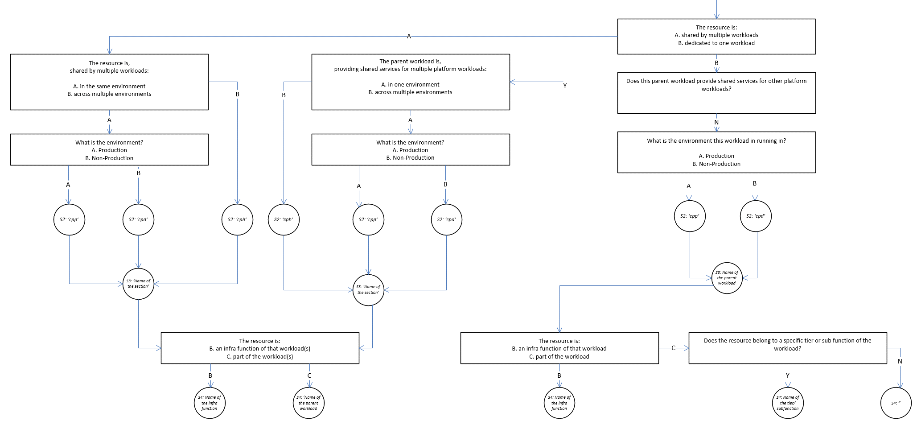
 |  |  | Sub-function of the Parent Workload | of |  | in |  | for
 |  | of
 |  |  | Infra-function for the Parent Workload
 |  | for
Examples

1 | a test vm |  | Sub-function of the Parent Workload | of | multiple workloads | in | PLTF | for | ALL | rg-cph-pltf-testvms-prd-we-01
 |  | in
 |  |  | Infra-function for the Parent Workload
 |  | for | Testing (testvms)

2 | a LB |  | Sub-function of the Parent Workload | of | FWEW | in | PLTF | for | ALL | rg-cph-pltf-net-prd-we-01
 |  | in
 |  |  | Infra-function for the Parent Workload
 |  | for | Networking

3 | a VM |  | Sub-function of the Parent Workload | of | FWEW | in | PLTF | for | ALL | rg-cph-pltf-fwew-prd-we-01
 |  | in
 |  |  | Infra-function for the Parent Workload
 |  | for

4 | a test vm |  | Sub-function of the Parent Workload | of | multiple workloads | in | PLTF | for | pre | rg-cpp-pltf-testvms-prd-we-01
 |  | in
 |  |  | Infra-function for the Parent Workload
 |  | for | Testing

5 | VNET |  | Sub-function of the Parent Workload | of | multiple workloads | in | PLTF | for | uat | rg-cpd-pltf-net-uat-we-01 | Vnet is never dedicated to a workload as per the networking design
 |  | in
 |  |  | Infra-function for the Parent Workload
 |  | for | Networking

6 | a LB |  | Sub-function of the Parent Workload | of | DNSProxy | in | UC1 | for | dev,tst,uat,tra,sbx | rg-cph-uc1-dnsp-npd-we-01 | S4 naming, if the workload is a shared service, workload name is used not the infra func.
 |  | in
 |  |  | Infra-function for the Parent Workload
 |  | for | Networking

7 | Private DNS Zone |  | Sub-function of the Parent Workload | of | multiple workloads | in | PLTF | for | prd,pre | rg-cph-pltf-net-prd-we-01
 |  | in
 |  |  | Infra-function for the Parent Workload
 |  | for | Networking

8 | Logic App |  | Sub-function of the Parent Workload | of | APPS | in | PLTF | for | dev | rg-cpd-apps-intg-dev-we-01 | S4 naming, no infra function so sub function is the name
 |  | in | Integration Services
 |  |  | Infra-function for the Parent Workload
 |  | for | N/A

9 | a NSG |  | Sub-function of the Parent Workload | of | APPS | in | PLTF | for | dev | rg-cpd-apps-sec-dev-we-01 | S4 naming, infra function comes first
 |  | in | Integration Services
 |  |  | Infra-function for the Parent Workload
 |  | for | Security

8 | Storage Account |  | Sub-function of the Parent Workload | of | APPS | in | PLTF | for | dev | rg-cpd-apps-dev-we-01 | Stroage account is shared within the APPS workload
 |  | in | N/A
 |  |  | Infra-function for the Parent Workload
 |  | for | N/A

9 | Storage Account |  | Sub-function of the Parent Workload | of | APPS | in | PLTF | for | dev | rg-cpd-apps-mon-dev-we-01
 |  | in | N/A
 |  |  | Infra-function for the Parent Workload
 |  | for | Monitoring

10 | RSV |  | Sub-function of the Parent Workload | of | 3rdParty | in | PLTF | for | uat | rg-cpd-3rdp-bckup-uat-we-01 | Multiple worklods, however they are grouped and represented as a single workload
 |  | in | N/A
 |  |  | Infra-function for the Parent Workload
 |  | for | bckup

11 | UDR |  | Sub-function of the Parent Workload | of | DATA | in | PLTF | for | prd | rg-cpp-data-net-prd-we-01
 |  | in | N/A
 |  |  | Infra-function for the Parent Workload
 |  | for | Networking

12 | LogAnalytics |  | Sub-function of the Parent Workload | of | 6D | in | PLTF | for | dev | rg-cpd-6d-mon-dev-we-01
 |  | in | N/A
 |  |  | Infra-function for the Parent Workload
 |  | for | Monitoring

